Formating2
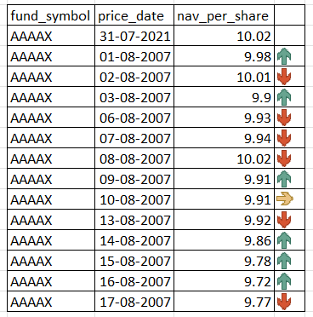
Add arrows to show increase/ decrese in 'nav' as compared to previous day. It should look like the image as shown. |  |  |  | Q | Add Data bars in next column. It should look like the image as shown.
 |  | Ans
fund_symbol | price_date | nav_per_share | Ans |  |  |  | Ans |  | Q
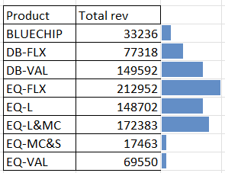
AAAAX | 31-Jul-21 | 10.02 | 10.02 |  | Product | Total rev |  | Ans
AAAAX | 2-Aug-21 | 9.98 | 9.98 |  | BLUECHIP | 33236 | 33236.34 | 33236.34
AAAAX | 3-Aug-21 | 10.01 | 10.01 |  | DB-FLX | 77318 | 77318.25 | 77318.25
AAAAX | 4-Aug-21 | 9.9 | 9.9 |  | DB-VAL | 149592 | 149591.78 | 149591.78
AAAAX | 5-Aug-21 | 9.93 | 9.93 |  | EQ-FLX | 212952 | 212952.3 | 212952.3
AAAAX | 6-Aug-21 | 9.94 | 9.94 |  | EQ-L | 148702 | 148702.35 | 148702.35
AAAAX | 9-Aug-21 | 10.02 | 10.02 |  | EQ-L&MC | 172383 | 172382.85 | 172382.85
AAAAX | 10-Aug-21 | 9.91 | 9.91 |  | EQ-MC&S | 17463 | 17463.15 | 17463.15
AAAAX | 11-Aug-21 | 9.91 | 9.91 |  | EQ-VAL | 69550 | 69550.1 | 69550.1
AAAAX | 12-Aug-21 | 9.92 | 9.92
AAAAX | 13-Aug-21 | 9.86 | 9.86
AAAAX | 16-Aug-21 | 9.78 | 9.78
AAAAX | 17-Aug-21 | 9.72 | 9.72
AAAAX | 18-Aug-21 | 9.77 | 9.77

